STYLING DETAILS
FRC
FRC
FRC
FRC
 |  |  | STYLING DETAILS |  | Foreign Resources Corporation |  |  |  |  | PRODUCTION PRODUCT PACK |  |  | Foreign Resources Corporation |  |  |  |  |  |  |  | COLOR PLACEMENT SKETCH (C.P.S.) |  |  |  | Foreign Resources Corporation
Customer: | WALMART USA |  |  |  | Date: | 2023-05-15 | Customer: | WALMART USA |  |  |  |  | Date: | 2023-05-15 |  |  | Customer: | WALMART USA |  |  |  |  |  |  | Date: | 2023-05-15
Style Number: | GE15100134599/B | Ref / Proto # | PLM # 100134599 |  | Modified: |  | Style Number: | GE15100134599/B |  | Ref / Proto # | PLM # 100134599 |  | Modified: | 0 |  |  | Style Number: | GE15100134599/B |  |  | Ref / Proto # | PLM # 100134599 |  |  | Modified: | 0
Gender: | DEPT 23 - MENS | Sizes: | REGS (S - XL), BIGS (2X, 3X) |  |  |  | Gender: | DEPT 23 - MENS |  | Sizes: | REGS (S - XL), BIGS (2X, 3X) |  |  |  |  |  | Gender: | DEPT 23 - MENS |  |  | Sizes: | REGS (S - XL), BIGS (2X, 3X)
Description: | E-BOARD SHORT - Pointed Pocket |  |  |  |  |  | Description: | E-BOARD SHORT - Pointed Pocket |  |  |  |  |  |  |  |  | Description: | E-BOARD SHORT - Pointed Pocket

Flat Front: Drawcord going around turnback waistband with Lace up drawcord thru self tab with double Plastic Enamel Coated Grommets at Drawcord Entry/Exit.
SKETCH: |  |  |  |  | MATERIALS / FABRICATION |  | SKETCH: |  |  |  | SPECIAL CONSTRUCTION: |  |  |  |  |  | STYLE # GE15100134599C/CB |  |  | STYLE # GE151001345991/B |  |  | STYLE # GE15100134599C/CB |  |  | STYLE # GE15100134599C/CB
 |  |  |  |  |  |  | FRONT |  | BACK |  | COMPONENT | CODE/CONTENT/ DESCRIPTION |  |  | PLACEMENT / LOCATION |  | COMBO #4 - Textured Thick Colorblock |  |  | COMBO #9 - Fern |  |  | COMBO #3 - Textured Thick Colorblock |  |  | COMBO #4 - Textured Thick Colorblock
 |  |  |  |  |  |  |  |  |  |  | NON-WOVEN, NON-FUSIBLE | POLYESTER |  |  | DRAWCORD TAB; POCKET FLAP; WELT POCKET |  | CLRWAY NAME: Blue Stripe 1 |  |  | CLRWAY NAME: Blue Cove |  |  | CLRWAY NAME: Black Soot |  |  | CLRWAY NAME: Blue Stripe 1
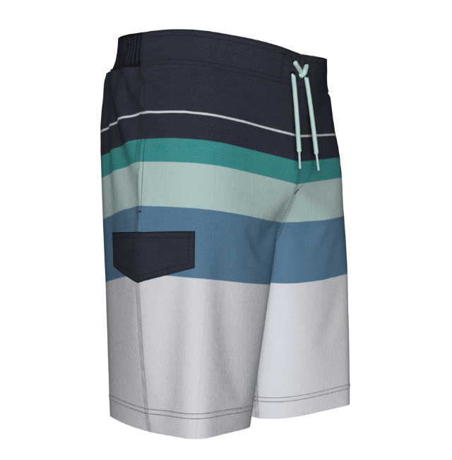
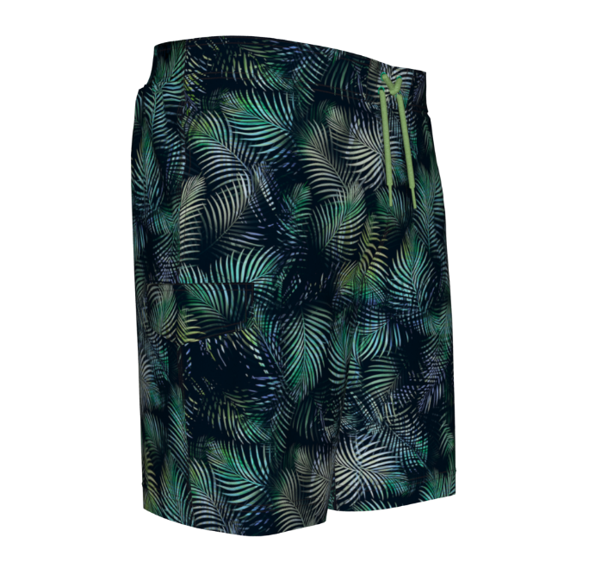
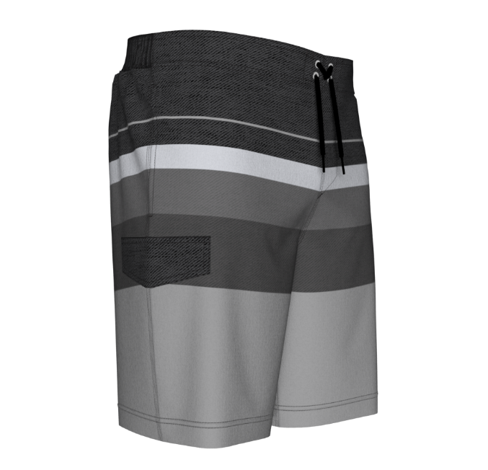
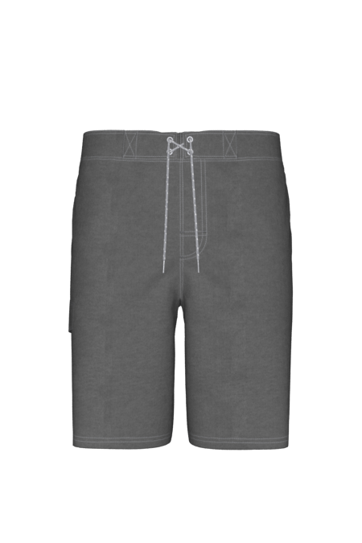
Faux front fly with DN "J" Sticth and bartacking
S1
S1
S1
S1

Half-Back Elastic Waistband

On Seam Side Pockets
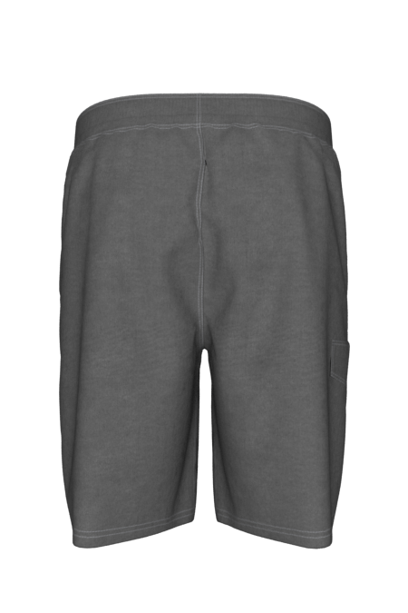
 |  |  |  |  |  |  |  |  |  |  | ADDITIONAL COMMENT:
 |  |  |  |  |  |  |  |  |  |  | HALF-BACK ELASTIC WAISTBAND RIGHT SIDE POCKET: FLAP WITH BARTACKING AT TOP CORNER; WELT POCKET ENTRY MATCH CF/CB AND SIDE SEAMS ON ENGINEERED PRINTS VERTICAL THREAD BUTTONHOLE INSIDE WAISTBAND FOR DRAWCORD/ENTRY EXIT SIDE ENTRY POCKET AT SIDE SEAMS WITH 2" SELF FABRIC FACING; BARTACK TOP/BOTTOM 9" INSEAM
 |  |  |  | SHELL: | WOVEN 90% POLYESTER / 10% SPANDEX 160GSM (58% RECYCLED)

Half-Back Elastic Waistband
 |  |  |  | LINING: | 100% POLYESTER MESH, 85 GSM
 |  |  |  | ADDITIONAL ATTRIBUTES: QUICK DRY, STRETCH, UPF50+

 |  |  |  |  |  |  | MATERIALS / FABRICATION
 |  |  |  |  |  |  | COMPONENT |  | CODE/CONTENT/DESCRIPTION
 |  |  |  |  |  |  | SHELL: |  | WOVEN 90% POLYESTER / 10% SPANDEX 160GSM (58% RECYCLED)

 |  |  |  |  |  |  | LINING: |  | 100% POLYESTER MESH, 85 GSM |  |  |  |  |  |  |  | COMPONENT | DESCRIPTION | COLOR | COMPONENT | DESCRIPTION | COLOR | COMPONENT | DESCRIPTION | COLOR | COMPONENT | DESCRIPTION | COLOR
 |  |  |  |  |  |  | TRIMS |  |  |  |  |  |  |  |  |  | SHELL | 90% POLY / 10% SPANDEX | TEXTURED THICK COLORBLOCK | SHELL | 90% POLY / 10% SPANDEX | Fern | SHELL | 90% POLY / 10% SPANDEX | TEXTURED THICK COLORBLOCK
 |  |  |  |  |  |  | COMPONENT |  | CODE/CONTENT/DESCRIPTION |  |  | PLACEMENT / LOCATION |  |  | QUANTITY | SIZE
 |  |  |  |  |  |  | DRAWCORD |  | 1/4" POLY ROUND BRAIDED DRAWCORD WITH TICKING; 3/4" PLASTIC SHOELACE TIP AT ENDS |  |  | WAIST |  |  | 1 | 1/4" DIAMETER
 |  |  |  |  |  |  | NON-ROLL ELASTIC |  | 2" WIDE ENCASED POLY ELASTIC |  |  | INSIDE HALF-BACK WAISTBAND |  |  | 1 | 2" WIDE | SHELL - CARGO PKTFLAP |  | TOP PART OF PRINT | SHELL - CARGO PKTFLAP |  | Top Portion of Print | SHELL - CARGO PKTFLAP |  | TOP PART OF PRINT
 |  |  |  |  |  |  | ELASTIC BINDING |  | 1/4" FLAT ENCASED POLY ELASTIC |  |  | LEG OPENING AT BRIEF |  |  | 2 | 1/4" WIDE FLAT
9" INSEAM
 |  |  |  |  |  |  | VELCRO |  | HOOK/LOOP NYLON VELCRO |  |  | SIDE CARGO POCKET FLAP |  |  | HOOK/LOOP - 1 PAIR | 1-5/8" L X 3/4" W | LINING & PKTBAG | POLY MESH | WHITE | LINING & PKTBAG | POLY MESH | WHITE | LINING & PKTBAG | POLY MESH | WHITE
 |  |  |  |  |  |  | GROMMETS |  | PLASTIC ENAMEL COATED |  |  | DRAWCORD EXIT/ENTRY |  |  | 4 TOTAL | 18 LIGNE | DRAWCORD | 1/4" ROUND | Dark Navy/Frozen Aqua | DRAWCORD | 1/4" ROUND | Black Soot/Limeade Twist | DRAWCORD | 1/4" ROUND | Black Soot/ Greystone SP23 stock
 |  |  |  |  |  |  | STITCH / SEAM DETAILS
Wearers Right Side - Welt Cargo Pocket with Pointed Flap (1-5/8”L x ¾” W Velcro closure)
 |  |  |  |  |  |  | STITCH TYPE |  | LOCATION |  |  |  |  |  |  |  | NON-ROLL ELASTIC | 2" FLAT | WHITE | NON-ROLL ELASTIC | 2" FLAT | WHITE | NON-ROLL ELASTIC | 2" FLAT | WHITE
 |  |  |  |  |  |  | 1/16" + 1/4" DBL NEEDLE |  | TOP/BTTM WAISTBAND; SELF DRAWCORD TABS; SIDE CARGO POCKET FLAP; INSEAM/OUTSEAM; FRONT/BACK RISE
 |  |  |  |  |  |  | 1/4" SGLNDL |  | ON SEAM SIDE PKT ENTRY; |  |  |  |  |  |  |  | ELASTIC BINDING | 1/4" FLAT | WHITE | ELASTIC BINDING | 1/4" FLAT | WHITE | ELASTIC BINDING | 1/4" FLAT | WHITE
 |  |  |  |  |  |  | 3/4" + 1/4" DBLNDL |  | SELF FOLDOVER HEM |  |  |  |  |  |  |  | TOP STITCH | THREAD | DTM GROUND | TOP STITCH | THREAD | Black Soot | TOP STITCH | THREAD | DTM GROUND
 |  |  |  |  |  |  | 1/4" + 1/4" DBLNDL |  | FRONT FLY "J" STITCHING WITH BARTACK |  |  |  |  |  |  |  | GROMMETS | PLASTIC | DARK NAVY | GROMMETS | PLASTIC | Mint Clover | GROMMETS | PLASTIC | VIVID WHITE
 |  |  |  |  |  |  | 1/16" EDGESTITCH |  | WELT CARGO POCKET; VELCRO |  |  |  |  |  |  |  | VELCRO | NYLON | DARK NAVY | VELCRO | NYLON | Black Soot | VELCRO | NYLON | CHARCOAL SKY
 |  |  |  |  |  |  | 3/4"W x 2" H - "X-BOX" STITCH |  | SELF DRAWCORD TABS AT WAISTBAND

